1. Title Page
Instacart Grocery Basket Analysis

Project Name: Instacart Grocery Basket Analysis
Date:08/08/2023
Analyst Name: Athira Dharmangadhan

Contents:
Population Flow
Consistency checks
Wrangling steps
Column derivations
Visualizations
Recommendations

2. Population Flow
Title page

Population flow

Exclusion flag
Condition: max_order < 5
Obervations to be removed: 1,358,803
Final total count of order_products_all: 30,629,741

Orders_products_combined
Orders_products_merged
Orders_products_all

Total:32,404,859
Total:32,434,489
Total:29,270,938

1.) The grey boxes in the first row of the population flow represent the original data sets as they were when you downloaded them. In the Total fields you need to add the count of the rows when you imported the data set into Jupyter.
2.) The second row of boxes (coloured) represents the data sets after you manipulated them, e.g., removed missing values and duplicates. In the Total fields you need to add the count of the rows after conducting these operations. This offers a visual oveview of how the data flows throughout the data consistency checks.
3.) The third row, where also the arrows are coloured, represents the merges you performed between the datasets. In the Total fields you need to add the count of the rows in the merged datasets, so that you end up with the final dataset (in the red box). Keep in mind the final dataset should be without exclusions (based on the exclusion flag).

3. Consistency checks
 |  |  |  | Title page
Consistency checks

Dataset | Missing values | Missing values treatment | Duplicates
orders | There are 206209 missing values in the "days_since_prior_order" column | No action taken, since the information can be useful | There are no duplicates
products | There are 16 missing values in 'product_name' column | Dropped | There are 5 duplicates
orders_products_prior | - | - | -
customers | There are 11,259 missing values in the "First_Name" column | Dropped | There are no duplicates

4. Wrangling steps
 |  |  |  | Title page
Wrangling steps

Columns dropped | Columns renamed | Columns' type changed | Comment/Reason
eval_set |  |  | Irrelevant and unnecessary
 | order_dow-order_day_of_week |  | easy to understand
 |  | order_id | They don’t represent real numeric values, rather, keys related to specific orders and users so converted to string
 |  | user_id | They don’t represent real numeric values, rather, keys related to specific orders and users so converted to string

 | In customers data
 | n_dependants: number_of_dependents |  | easy to understand
 | 'First Name':'first_name |  | easy to understand
 | Surnam':'surname', |  | easy to understand
 | 'fam_status':'family_status' |  | easy to understand
surname in customers data |  |  | Due to PII issue

5. Column derivations
 |  |  |  |  | Title page

Column derivations and aggregations
In this tab you should add tables below that the frequences of flags/label variables that you produced after deriving them. NB: don't do this for continuous variables, only for flags.

Dataset | New column | Column/s it was derived from | Conditions | Frequency of flag
orders_products_merged.pkl | price_range | prices | If price is <= 5 then "Low-range product" if price is >5 and <=15 then "Mid-range product" if price is > 15 then "High-range product" | Mid-range product 756450 Low-range product 243550 Name: price_range, dtype: int64
orders_products_merged.pkl | Busiest day | orders_day_of_week | If value is 0 then "Busiest day" if value is 4 then "Least busy" if value is anything else, then "Regularly busy" | Regularly busy 22416875 Busiest day 6204182 Least busy 3783802
orders_products_merged.pkl | Busiest days | orders_day_of_week | If value is 0 or value==1 then "Busiest day" if value is 4 or value==3 then "Least busy" if value is anything else, then "Regularly busy" | Regularly busy 12916111 Busiest days 11864412 Slowest days 7624336
orders_products_merged.pkl | busiest_period_of_day | order_hour_of_day | if value1 == 10 or value1==11 or value1 == 14 or value1==15 or value1 == 13 or value1==12 or value1 == 16 or value1==9 then ("Most orders") if value1 == 17 or value1==8 or value1 == 18 or value1==19 or value1 == 20 or value1==7 or value1 == 21 or value1==22:then ("Average orders") else: then ("Fewest orders") | Most orders 21118071 Average orders 9997651 Fewest orders 1289137
orders_products_column_derivations | loyalty_flag | max_order(grouping of "user_id" and "order_number") | If "max_odrer" > 40 then "Loyal customer" If "max_order" <= 40 and >10 then "Regular customer",If "max_order" <10 then "New customer" | Regular customer 15876776 Loyal customer 10284093 New customer 6243990
orders_products_column_derivations | spending_flag | spenders(grouping of "user_id" and "prices") | If "spenders" < 10 then "Low spender" If "spenders" >=10 then "High spender" | Low spender 31770614 High spender 634245
orders_products_column_derivations | regularity_flag | Regularity_of_users(grouping of "user_id" and "days_since_prior_order" | If "Regularity_of_users" >20 then "Non-frequent customer" If "Regularity_of_users" >10 and <= 20 then "Regular customer"If "Regularity_of_users" <=10 then "Frequent customer" | Frequent customer 21559853 Regular customer 7208564 Non-frequent customer 3636437
high_activity_customers.pkl | age_flag | Age | If ['Age'] >=65, 'age_flag'] = 'Older Age', If['Age'] <=34, 'age_flag'] = 'Younger Age' If ['Age'] >= 35) & (high_activity_customers['Age'] <= 64), 'age_flag'] = 'Middle Age | Middle Age 13755021 Younger Age 7776569 Older Age 7739348
high_activity_customers.pkl | Income_flag | income | If ['income'] >= 25000 ) & (high_activity_customers['income'] < 75000), 'Income_flag'] = 'Low_Income' If ['income'] >= 75000) & (high_activity_customers['income'] < 150000), 'Income_flag'] = 'Middle_Income' If ['income'] >= 150000), 'Income_flag'] = 'High_Income' | Middle_Income 16242146 Low_Income 9354836 High_Income 3673956
high_activity_customers.pkl | dependent_flag | number_of_dependents | If ['number_of_dependents'] == 0, 'dependent_flag'] = 'No dependants' if ['number_of_dependents'] > 0, 'dependent_flag'] = 'Have dependants' | Have dependants 21958418 No dependants 7312520
high_activity_customers.pkl | customer_profile | age_flag and dependent_flag | If ['age_flag'] == 'Older Age') & ['dependent_flag'] == 'Have dependants'), 'customer_profile'] = 'Older Parent'
high_activity_customers.pkl | customer_profile | age_flag and dependent_flag | If ['age_flag'] == 'Younger Age') &['dependent_flag'] == 'Have dependants'), 'customer_profile'] = 'Young_Parent'
high_activity_customers.pkl | customer_profile | age_flag and dependent_flag | If ['age_flag'] == 'Middle Age') & ['dependent_flag'] == 'Have dependants'), 'customer_profile'] = 'Middle_age_Parent'
high_activity_customers.pkl | customer_profile | age_flag and family_status | If ['age_flag'] == 'Younger Age') & (['family_status'] == 'single'), 'customer_profile'] = 'Younger Single'
high_activity_customers.pkl | customer_profile | age_flag and family_status | If ['age_flag'] == 'Middle Age') & (df_merge['family_status'] == 'single'), 'customer_profile'] = 'Middle Aged Single'
high_activity_customers.pkl | customer_profile | age_flag and family_status | If ['age_flag'] == 'Older Age') & (df_merge['family_status'] == 'single'), 'customer_profile'] = 'Older Single'

6. Visualizations
In this tab you should include all the visualtions from Exercises 4.9 and 4.10, alongside the questions from the project brief that they answer. Include any commentary on the relationship between different variables.
Title page

Visualisations

1. What are the busiest days of the week for instacart?

The Orders Placed by Day of Week
The Price Spent by Day of Week
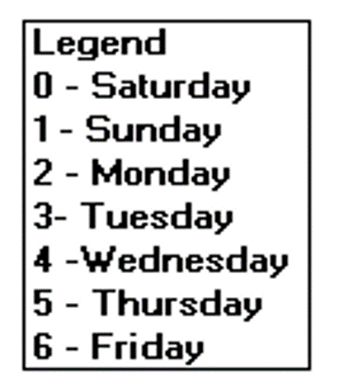
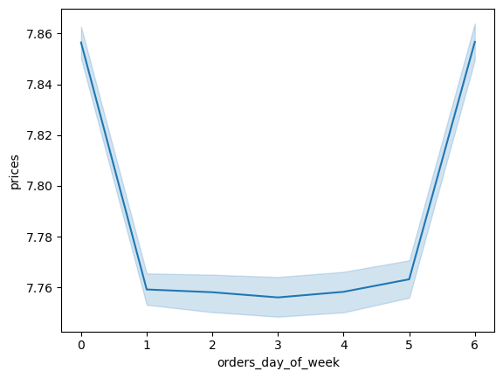
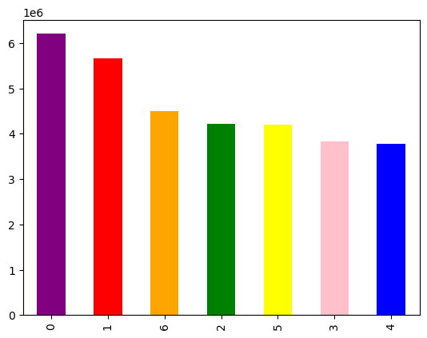

*The days of the week that are busiest are: Saturday, followed by Sunday and Friday.
*The least busy days are: Wednesday, Tuesday, and Thursday.
*Customers spent more on: Saturday and Friday.
*Customers spent less on:Sunday,Monday,Tuesday,Wednesday and Thursday

Recommendations

2. Are there any particular times of the day when people spend the most money?

The Amount Spent by hour of Day

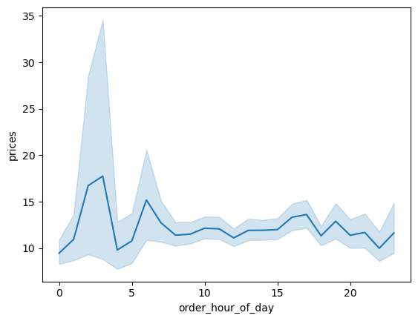
*The peak time is in the morning most of expenditure is happening from 2 hours and 3 hours.
*From 5 hrs onwards prices are gradually increasing till 7 hrs.
*After 7 hrs onwards prices are gradually decreasing and then after that up and downs is happening in expenditure

Recommendations

3. Instacart has many products with different price tags. Can a simpler price range grouping be used to help direct our efforts?


Frequency of Product Price Point

*The frequency of products sold peaking at items costing $7 and after cost $15 frequency is dropping.
*It is clear that items costing $16 or more receive much fewer buyers.

Recommendations

4. Are there certain types of products that are more popular than others? How do department frequencies differ?
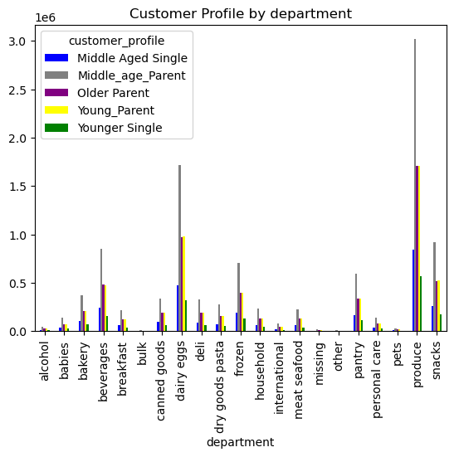

*Produce racks up the highest sales at $3.5 million which is followed by dairy-eggs with $1.8 million and snacks with $1 million.
*The middle-aged parent demographic seems to take up a significant portion of these sales.

Recommendations

5. What’s the distribution among users in regards to their brand loyalty?

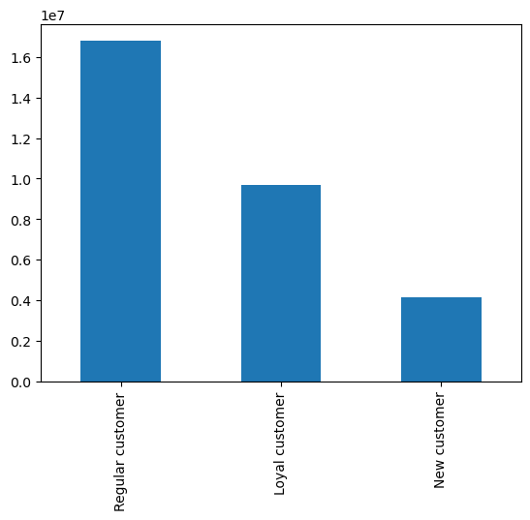
Distribution of orders among customers in terms of loyalty

*The Regular customers are more than the loyal customers and new customers take smallest proportion of all.

Recommendations

6. Are there differences in ordering habits based on a customer’s region?

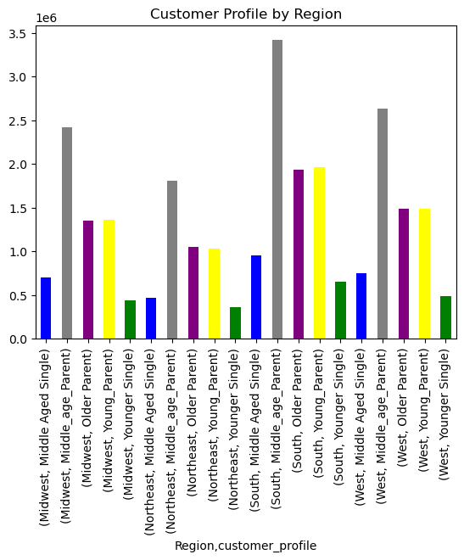

*From the graph it is clear that most of the high orders in regions are made by middle aged parents.
*Customer spending habits varying from region to region, with the South region placing the most orders on average and is largely made up of middle aged parents.
*After South the region West and Midwest is placing most orders.
*The region Northeast is placing least amount of orders with younger single people.

Recommendations

7. What different classifications does the demographic information like the customer’s age based on spending?

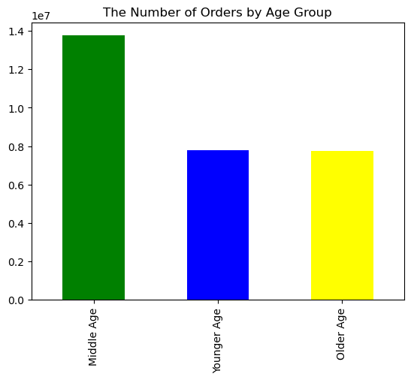
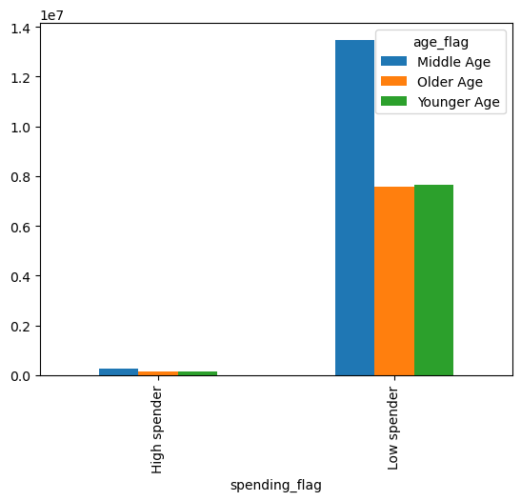
Spending habits based on Age
Spending babits on customer profile
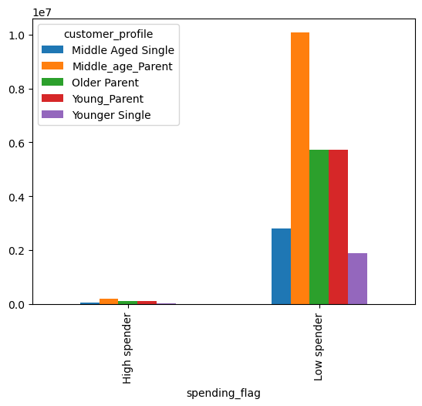

*Middle-aged customers (35-64) place the highest amount of orders out of all three age demographics.
*The older customers (65+) and younger (18-34) people are almost identical in number of order placed.

Recommendations

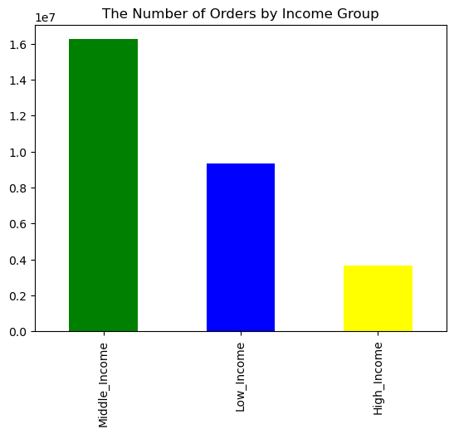
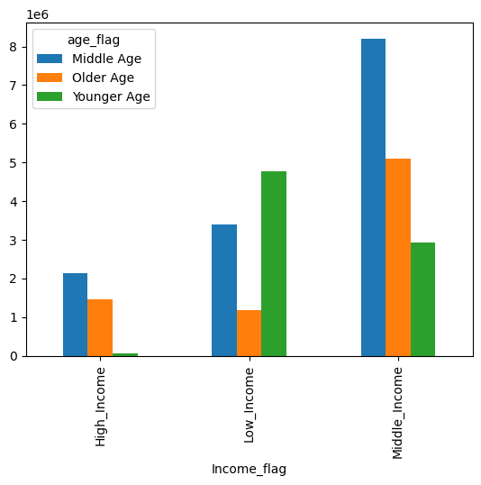
Income based on age

8. Is there a connection between income status in terms of ordering habits?

*The middle age people with Midddle income are placing more orders compared to people with middle age with high income.
*The people with high income are placing least orders than low income people.

Recommendations

9. Is there a connection between family status in terms of ordering habits?
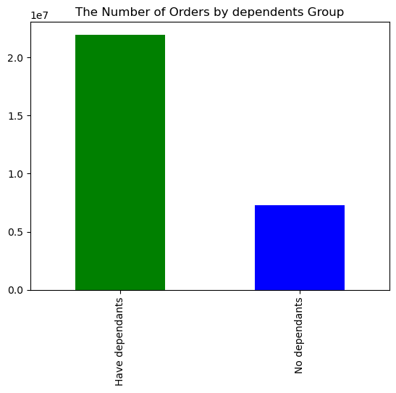
Spenders based on dependants
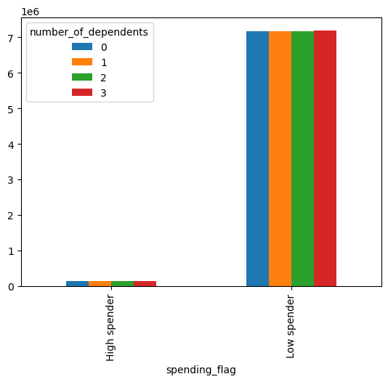

*Most of the instacart customers have dependants.
*Low spending people with dependents are majority customers of Instacart.

Recommendations

7. Recommendations
Title page

Recommendations

In this tab you should include any recommendations you would made to Instcart in terms of their marketing strategy based on the questions posed in the brief. Every key question has been covered in the Tasks of the Exercises - here you need to add an item - a visualisation or table/crosstable that is showing the answer in the data, acompanied by a comment from you. Please, list the questions below and add the answer underneath.

1. What are the busiest days of the week for instacart?

Recommendations : It is identified busiest days are Saturday, followed by Sunday and Friday.The Customers spent more on: Saturday and Friday.Inorder to increase sales on rest of days we can implement 'Reward points' on these days on each purchase.Also we can implement some 'Special offers' for high priced products.

Visualization

2. Are there any particular times of the day when people spend the most money?

Recommendations : Considering only peak times like 2 to 3 hours,5 to 7 hours,15 hours,19 hours,21 hours we can provide some offers as ad or through mail.

Visualization

3. Instacart has many products with different price tags. Can a simpler price range grouping be used to help direct our efforts?

Recommendations : The frequency of products sold peaking at items costing $7 and after cost $15 frequency is dropping.It is clear that items costing $16 or more receive much fewer buyers. So we need to concentrate Marketing the products which more than $16.

Visualization

4. Are there certain types of products that are more popular than others? How do department frequencies differ?

Recommendations : Produce racks up the highest sales at $3.5 million which is followed by dairy-eggs with $1.8 million and snacks with $1 million. So we need to concentrate more production of produce,dairy eggs and snacks.Also need to produce more frozen items that have lasting expiry.

Visualization

5. What’s the distribution among users in regards to their brand loyalty?

Recommendations : As Regular customers are more than the loyal customers and new customers take smallest proportion of all.Here we can provide some offers to loyal customers and new customers inorder to promote sales.

Visualization

6. Are there differences in ordering habits based on a customer’s region?

Recommendations : Customer spending habits varying from region to region, with the South region placing the most orders on average and is largely made up of middle aged parents.In my opinion we need to concentrate more on South,midwest and west regions.

Visualization

7. What different classifications does the demographic information like the customer’s age based on spending?

Recommendations : Middle-aged customers (35-64) place the highest amount of orders out of all three age demographics. The older customers (65+) and younger (18-34) people are almost identical in number of order placed.Here providing some special offers sending to the younger age and older people through email or ads.As most of middle aged people are with dependents we can provide some family combo offers.

Visualization

8. Is there a connection between income status in terms of ordering habits?

Recommendations : People with Middle income are placing more orders.So in my opinion we can provide some offers to low income people.

Visualization

9. Is there a connection between family status in terms of ordering habits?

Recommendations : As most of customers is having dependents we can provide family-combo products and also concentrating family friendly ads and displays to attract customer.

Visualization

